PNB (ALCOHOL)
DATE | INV NO. | DESCRIPTIONS | QTY | BILLS | UNIT PRICE | SUB TOTAL | TOTAL
31-Oct-2025 | SPNO2510622 | JOSE CUERVO GOLD | 3 | 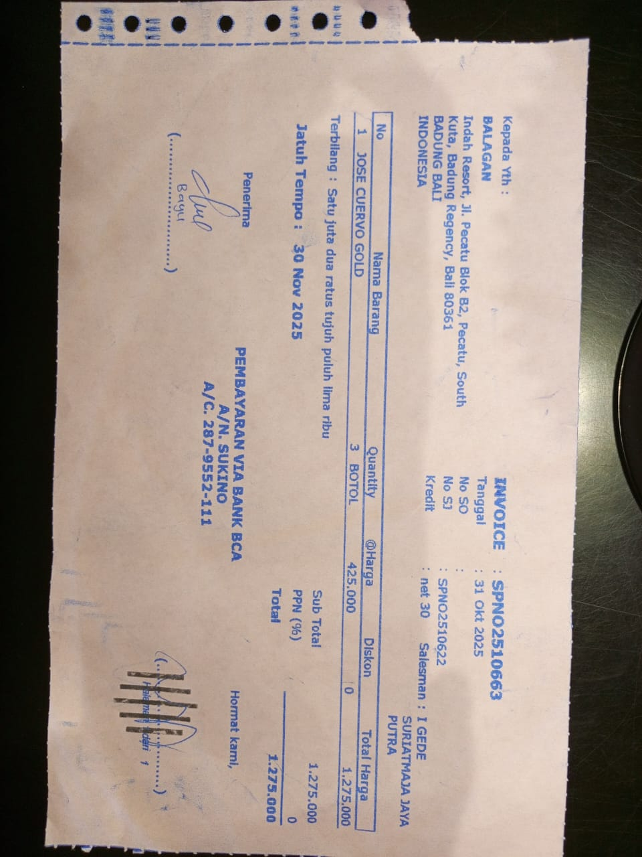 | IDR 425,000 | IDR 1,275,000 | IDR 1,275,000
11-Nov-2025 | SPNO2511144 | JACK DANIIELS 700 ML | 2 | 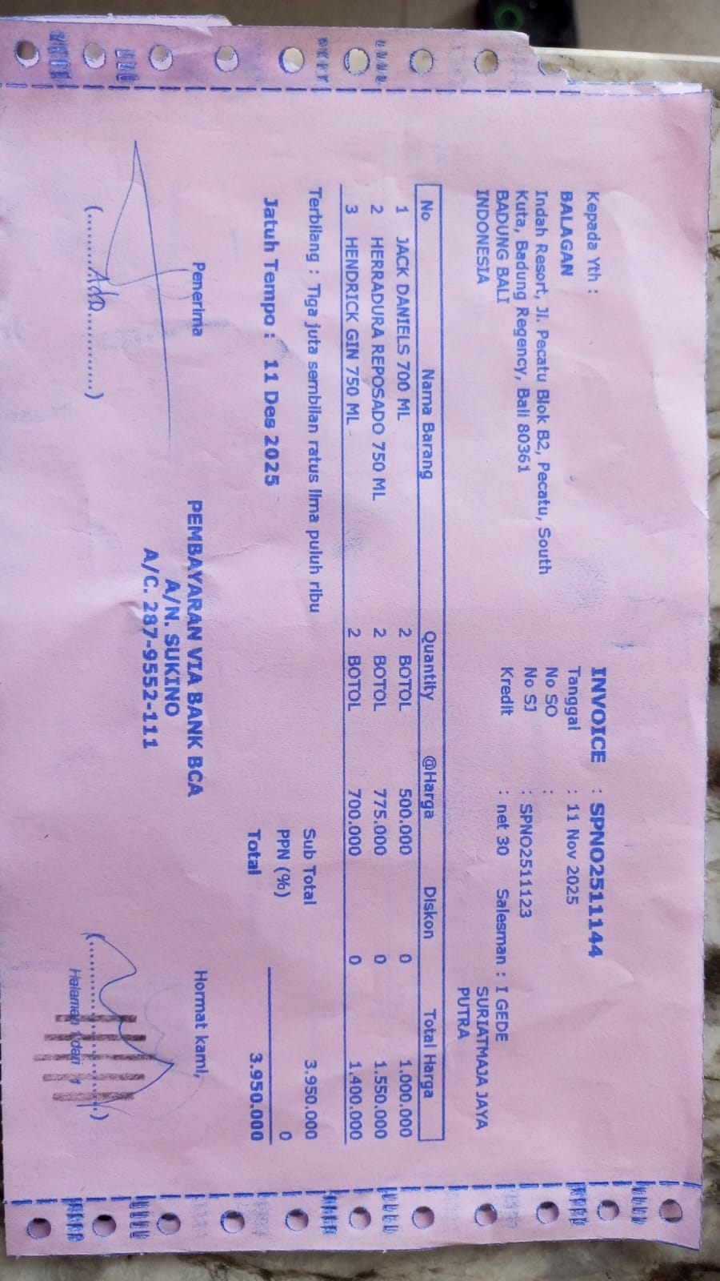 | IDR 500,000 | IDR 1,000,000 | IDR 3,950,000
 |  | HERRADURA REPOSADO 750 ML | 2 |  | IDR 775,000 | IDR 1,550,000
 |  | HENDRICK GIN 750 ML | 2 |  | IDR 700,000 | IDR 1,400,000
24-Nov-2025 | SPN02511408 | HAVANA CLUB ANEJO 3 ANOS 700 ML | 4 | 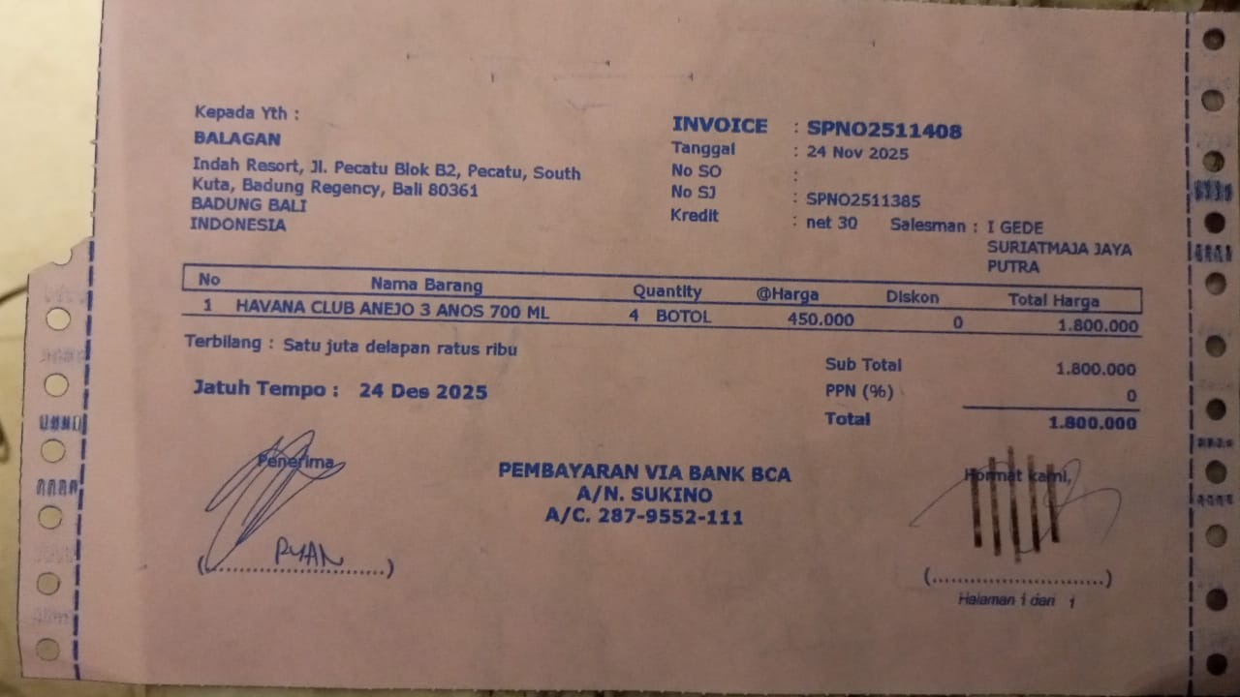 | IDR 450,000 | IDR 1,800,000 | IDR 1,800,000
 |  |  |  |  |  |  | Rp7,025,000

